Observations
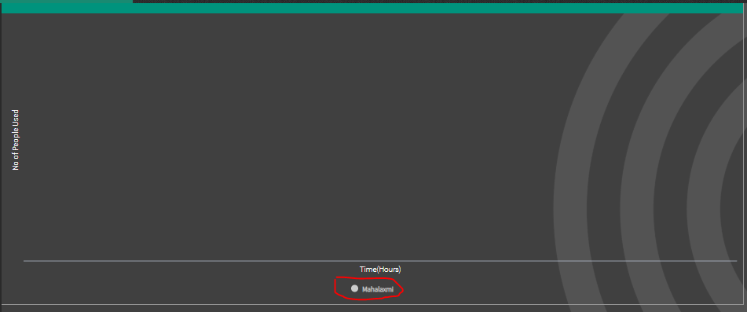
Tested in TOMTOM Portal

1 > Hour Filter Input must be limited to 0-24

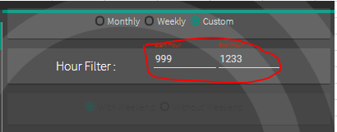

2 > Utilization Factor is varying

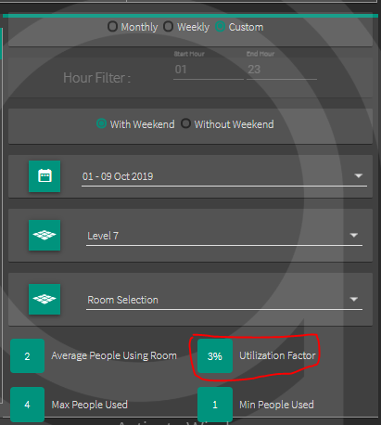

3 > UI Issue [ Popping out of boundary ] as HOUR Filter option is newly added

4 > HIDE/UNHIDE Option must be removed as it is not required

